step response
Y(t)= $\frac{16}{6}e^{−1.5t}−4e^{−t}+\frac{4}{3}$
0 | 0
0.1 | 0.0092049316563
0.2 | 0.033925576173
0.3 | 0.070402188265
0.4 | 0.11555084544
0.5 | 0.16685483513
0.6 | 0.22227254827
0.7 | 0.28015944913
0.8 | 0.33920204196
0.9 | 0.39836205609
1 | 0.45682932904
2 | 0.92475771603
3 | 1.1638090506
4 | 1.2666807836
5 | 1.307856437
6 | 1.3237474174
7 | 1.329759236
8 | 1.3320078674
9 | 1.33284335
10 | 1.3331525494
t
0 | 0
0.1 | 0.0092049316563
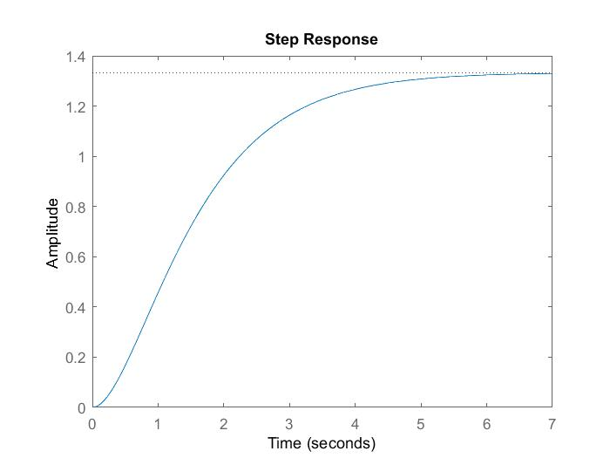
0.2 | 0.033925576173
0.3 | 0.070402188265
0.4 | 0.11555084544
0.5 | 0.16685483513
0.6 | 0.22227254827
0.7 | 0.28015944913
0.8 | 0.33920204196
0.9 | 0.39836205609
1 | 0.45682932904
2 | 0.92475771603
3 | 1.1638090506
4 | 1.2666807836
5 | 1.307856437
6 | 1.3237474174
7 | 1.329759236
8 | 1.3320078674
9 | 1.33284335
10 | 1.3331525494

Impulse Response
$$H\left(t\right)= 4e^{−t}−4e^{−1.5t}$$
0.00 | 0.00
0.10 | 0.18
0.20 | 0.31
0.30 | 0.41
0.40 | 0.49
0.50 | 0.54
0.60 | 0.57
0.70 | 0.59
0.80 | 0.59
0.90 | 0.59
1.00 | 0.58
2.00 | 0.34
3.00 | 0.15
4.00 | 0.06
5.00 | 0.02
6.00 | 0.01
7.00 | 0.00
8.00 | 0.00
9.00 | 0.00
10.00 | 0.00
11.00 | 0.00
12.00 | 0.00
13.00 | 0.00
14.00 | 0.00
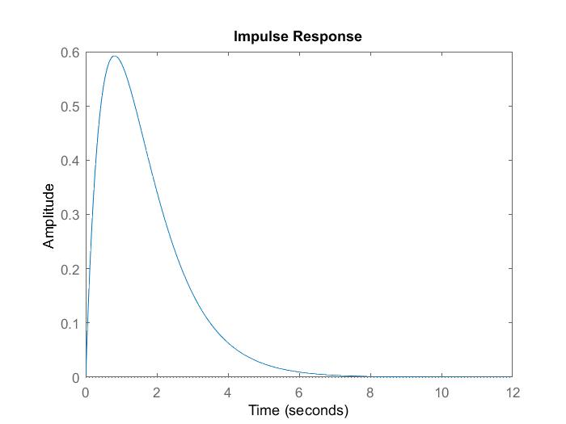
t
0.00 | 0.00
0.10 | 0.18
0.20 | 0.31
0.30 | 0.41
0.40 | 0.49
0.50 | 0.54
0.60 | 0.57
0.70 | 0.59
0.80 | 0.59
0.90 | 0.59
1.00 | 0.58
2.00 | 0.34
3.00 | 0.15
4.00 | 0.06
5.00 | 0.02
6.00 | 0.01
7.00 | 0.00
8.00 | 0.00
9.00 | 0.00
10.00 | 0.00
11.00 | 0.00
12.00 | 0.00
13.00 | 0.00
14.00 | 0.00

Frequency Response
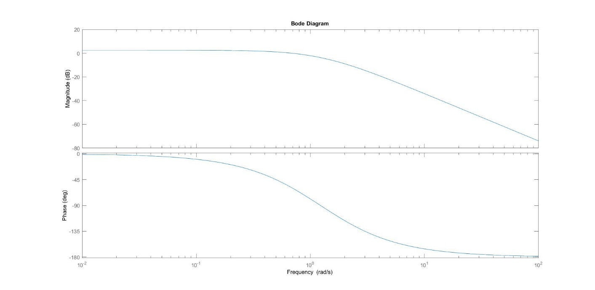
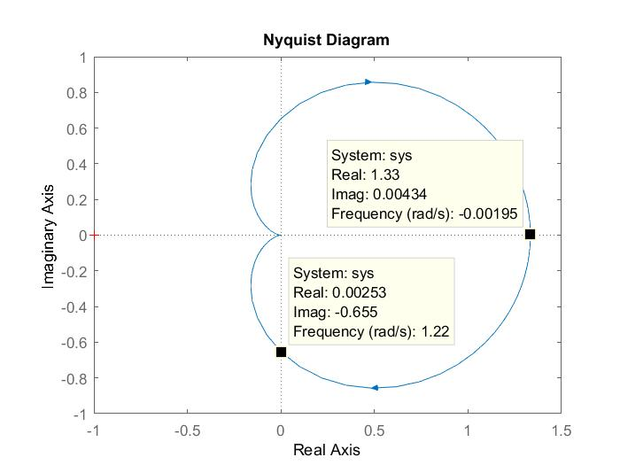
ω | Real | Imaginary | Amplitude | Phase ϕ
0.0 | 1.3 | 0.0 | 1.3 | 0.0
∞ | 0.0 | 0.0 | 0.0 | -180.0
$$H\left(iω\right)=\left[\frac{−8ω^{2}+12}{4ω^{4}+13ω^{2}+9}\right]−\left[\frac{20\left(ω\right)}{4ω^{4}+13ω^{2}+9}\right]i$$
$$Imaginary intercept→take \left[\frac{−8ω^{2}+12}{4ω^{4}+13ω^{2}+9}\right]=0$$
$Imaginary intercept=−\left[\frac{20\left(ω\right)}{4ω^{4}+13ω^{2}+9}\right]$=$−\left[\frac{20\left(1.22\right)}{4{1.22}^{4}+13{1.22}^{2}+9}\right]=0.655$
$$ω= \sqrt{\frac{12}{8}=} 1.22$$

